2.6
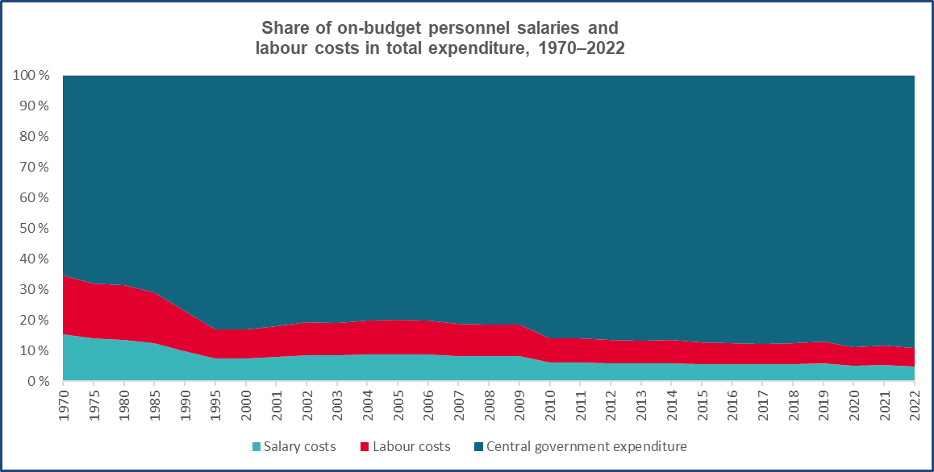
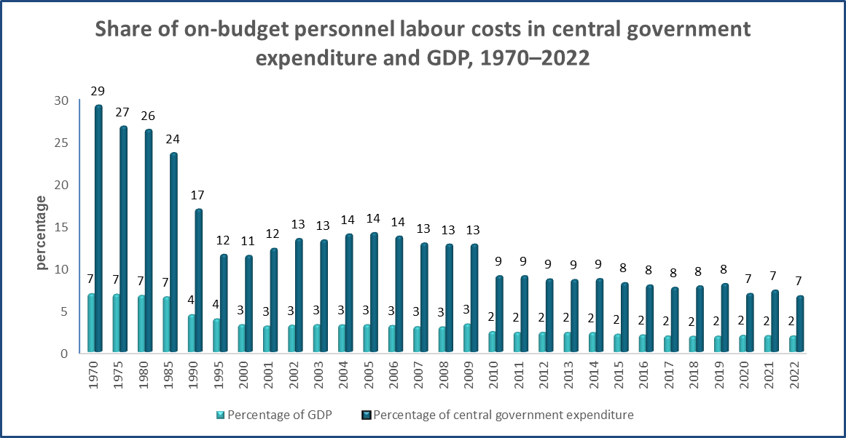
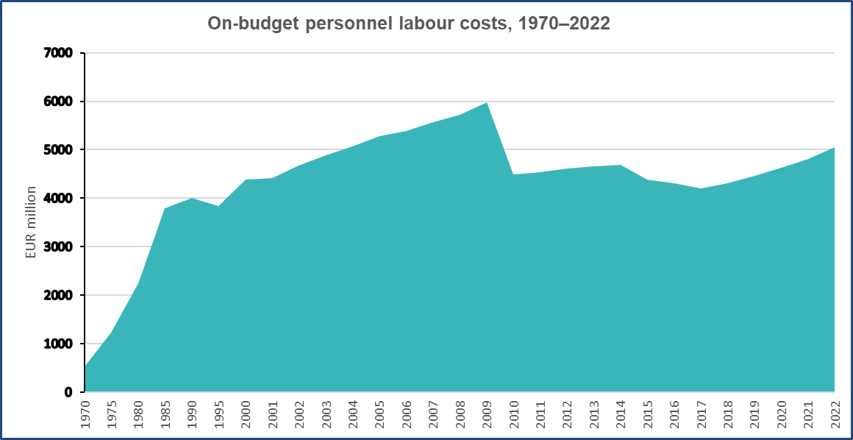
Table 2.6
Gross domestic product, salary amount of the national economy, central government expenditure, and the central government’s salary amount and labour costs since 1970

Year | Gross domestic product (GDP) at current prices | Salary amount of the national economy | Total central government expenditure 1 | Central government on-budget personnel
 |  |  |  | salary amount |  |  |  | labour costs
 |  |  |  | million EUR | percentage |  |  | million EUR | percentage
 |  |  |  |  | of GDP | of the salary amount of the national economy | of central government expenditure |  | of GDP | of central government expenditure

 | million EUR | million EUR | million EUR

1970 | 7,693 | 3,300 | 1,813 | 426 | 5.5 | 12.9 | 23.5 | 529 | 6.9 | 29.2
1971 | 8,453 | 3,780 | 2,009 | 481 | 5.7 | 12.7 | 23.9 | 604 | 7.1 | 30.1
1972 | 9,860 | 4,391 | 2,304 | 549 | 5.6 | 12.5 | 23.8 | 696 | 7.1 | 30.2
1973 | 12,003 | 5,286 | 2,853 | 623 | 5.2 | 11.8 | 21.8 | 801 | 6.7 | 28.1
1974 | 15,146 | 6,658 | 3,584 | 763 | 5.0 | 11.5 | 21.3 | 984 | 6.5 | 27.5
1975 | 18,154 | 8,336 | 4,633 | 950 | 5.2 | 11.4 | 20.5 | 1,236 | 6.8 | 26.7
1976 | 20,615 | 9,531 | 5,230 | 1,167 | 5.7 | 12.2 | 22.3 | 1,535 | 7.4 | 29.4
1977 | 22,627 | 10,150 | 5,897 | 1,230 | 5.4 | 12.1 | 20.9 | 1,653 | 7.3 | 28.0
1978 | 25,065 | 10,750 | 6,549 | 1,316 | 5.3 | 12.2 | 20.1 | 1,775 | 7.1 | 27.1
1979 | 29,070 | 12,321 | 7,574 | 1,484 | 5.1 | 12.0 | 19.6 | 1,978 | 6.8 | 26.1
1980 | 33,682 | 14,397 | 8,546 | 1,693 | 5.0 | 11.8 | 19.8 | 2,246 | 6.7 | 26.3
1981 | 38,094 | 16,705 | 9,721 | 1,928 | 5.1 | 11.5 | 19.8 | 2,556 | 6.7 | 26.3
1982 | 42,831 | 18,564 | 11,438 | 2,126 | 5.0 | 11.5 | 18.6 | 2,835 | 6.6 | 24.8
1983 | 47,790 | 20,694 | 12,982 | 2,433 | 5.1 | 11.8 | 18.7 | 3,241 | 6.8 | 25.0
1984 | 53,498 | 23,052 | 14,422 | 2,607 | 4.9 | 11.3 | 18.1 | 3,500 | 6.5 | 24.3
1985 | 58,285 | 25,406 | 16,113 | 2,808 | 4.8 | 11.1 | 17.4 | 3,792 | 6.5 | 23.5
1986 | 62,740 | 27,193 | 17,690 | 2,941 | 4.7 | 10.8 | 16.6 | 4,002 | 6.4 | 22.6
1987 | 67,751 | 29,592 | 19,628 | 3,238 | 4.8 | 10.9 | 16.5 | 4,395 | 6.5 | 22.4
1988 | 76,754 | 32,597 | 19,724 | 3,623 | 4.7 | 11.1 | 18.4 | 4,870 | 6.3 | 24.7
1989 | 85,929 | 36,303 | 21,773 | 3,821 | 4.4 | 10.5 | 17.5 | 5,170 | 6.0 | 23.7
1990 | 91,010 | 39,093 | 23,697 | 3,028 | 3.3 | 7.7 | 12.8 | 3,999 | 4.4 | 16.9
1991 | 86,962 | 39,046 | 28,249 | 3,228 | 3.7 | 8.3 | 11.4 | 4,342 | 5.0 | 15.4
1992 | 84,852 | 36,868 | 31,301 | 3,208 | 3.8 | 8.7 | 10.2 | 4,327 | 5.1 | 13.8
1993 | 85,748 | 34,615 | 34,005 | 3,070 | 3.6 | 8.9 | 9.0 | 4,043 | 4.7 | 11.9
1994 | 90,768 | 34,796 | 33,092 | 3,000 | 3.3 | 8.6 | 9.1 | 3,954 | 4.4 | 11.9
1995 | 98,556 | 37,097 | 33,357 | 2,971 | 3.0 | 8.0 | 8.9 | 3,843 | 3.9 | 11.5
1996 | 102,060 | 38,948 | 33,541 | 3,018 | 3.0 | 7.7 | 9.0 | 3,886 | 3.8 | 11.6
1997 | 110,738 | 41,221 | 31,515 | 3,011 | 2.7 | 7.3 | 9.6 | 3,888 | 3.5 | 12.3
1998 | 120,382 | 44,276 | 32,678 | 3,180 | 2.6 | 7.2 | 9.7 | 4,089 | 3.4 | 12.5
1999 | 126,923 | 47,118 | 35,608 | 3,303 | 2.6 | 7.0 | 9.3 | 4,223 | 3.3 | 11.9
2000 | 136,261 | 50,621 | 38,472 | 3,419 | 2.5 | 6.8 | 8.9 | 4,383 | 3.2 | 11.4
2001 | 144,437 | 53,275 | 36,072 | 3,475 | 2.4 | 6.5 | 9.6 | 4,412 | 3.1 | 12.2
2002 | 148,289 | 55,195 | 34,851 | 3,670 | 2.5 | 6.7 | 10.5 | 4,666 | 3.1 | 13.4
2003 | 151,569 | 56,878 | 36,897 | 3,843 | 2.5 | 6.8 | 10.4 | 4,881 | 3.2 | 13.2
2004 | 158,477 | 59,303 | 36,320 | 3,991 | 2.5 | 6.7 | 11.0 | 5,060 | 3.2 | 13.9
2005 | 164,387 | 62,339 | 37,512 | 4,146 | 2.5 | 6.7 | 11.1 | 5,284 | 3.2 | 14.1
2006 | 172,614 | 65,564 | 39,384 | 4,302 | 2.5 | 6.6 | 10.9 | 5,386 | 3.1 | 13.7
2007 | 186,584 | 69,285 | 43,252 | 4,444 | 2.4 | 6.4 | 10.3 | 5,563 | 3.0 | 12.9
2008 | 193,711 | 73,965 | 44,923 | 4,557 | 2.4 | 6.2 | 10.1 | 5,719 | 3.0 | 12.7
2009 | 181,029 | 73,342 | 46,897 | 4,770 | 2.6 | 6.5 | 10.2 | 5,971 | 3.3 | 12.7
2010 | 187,100 | 75,133 | 49,880 | 3,592 | 1.9 | 4.8 | 7.2 | 4,488 | 2.4 | 9.0
2011 | 196,869 | 78,580 | 50,382 | 3,643 | 1.9 | 4.6 | 7.2 | 4,532 | 2.3 | 9.0
2012 | 199,793 | 81,283 | 53,446 | 3,706 | 1.9 | 4.6 | 6.9 | 4,607 | 2.3 | 8.6
2013 | 203,338 | 81,968 | 54,587 | 3,758 | 1.8 | 4.6 | 6.9 | 4,662 | 2.3 | 8.5
2014 | 205,474 | 82,254 | 54,234 | 3,755 | 1.8 | 4.6 | 6.9 | 4,693 | 2.3 | 8.7
2015 | 209,511 | 83,093 | 53,700 | 3,520 | 1.7 | 4.2 | 6.6 | 4,389 | 2.1 | 8.2
2016 | 216,073 | 84,275 | 54,419 | 3,519 | 1.6 | 4.2 | 6.5 | 4,304 | 2.0 | 7.9
2017 | 223,892 | 86,114 | 55,042 | 3,475 | 1.6 | 4.0 | 6.3 | 4,197 | 1.9 | 7.6
2018 | 233,555 | 90,150 | 55,242 | 3,578 | 1.5 | 4.0 | 6.5 | 4,308 | 1.8 | 7.8
2019 | 240,078 | 92,979 | 55,306 | 3,707 | 1.5 | 4.0 | 6.7 | 4,465 | 1.9 | 8.1
2020 | 237,467 | 92,799 | 67,074 | 3,854 | 1.6 | 4.2 | 5.7 | 4,628 | 1.9 | 6.9
2021 | 250,923 | 97,974 | 66,002 | 4,007 | 1.6 | 4.1 | 6.1 | 4,814 | 1.9 | 7.3
2022 | 268,645 | 104,225 | 76,261 | 4,193 | 1.6 | 4.0 | 5.5 | 5,059 | 1.9 | 6.6
Average annual change, %
1970 - 2022 | 7.1 | 6.9 | 7.5 | 4.5 |  |  |  | 4.4
1980 - 2022 | 5.1 | 4.8 | 5.3 | 2.2 |  |  |  | 2.0
1990 - 2022 | 3.4 | 3.1 | 3.7 | 1.0 |  |  |  | 0.7
2000 - 2022 | 3.1 | 3.3 | 3.2 | 0.9 |  |  |  | 0.7
2010 - 2022 | 3.1 | 2.8 | 3.6 | 1.3 |  |  |  | 1.0
2020 - 2022 | 6.4 | 6.0 | 6.6 | 4.3 |  |  |  | 4.6
1 According to the financial statements |  |  |  |  |  |  |  |  |  | Palkeet/11 December 2023

Year | Gross domestic product (GDP) at current prices | Salary amount of the national economy | Total central government expenditure 1 | Central government on-budget personnel
 |  |  |  | salary amount |  |  |  | labour costs
 |  |  |  | million EUR | percentage |  |  | million EUR | percentage
 |  |  |  |  | of GDP | of the salary amount of the national economy | of central government expenditure |  | of GDP | of central government expenditure

 | million EUR | million EUR | million EUR

1970 | 7,693 | 3,300 | 1,813 | 426 | 5.5 | 12.9 | 23.5 | 529 | 6.9 | 29.2
1975 | 18,154 | 8,336 | 4,633 | 950 | 5.2 | 11.4 | 20.5 | 1,236 | 6.8 | 26.7
1980 | 33,682 | 14,397 | 8,546 | 1,693 | 5.0 | 11.8 | 19.8 | 2,246 | 6.7 | 26.3
1985 | 58,285 | 25,406 | 16,113 | 2,808 | 4.8 | 11.1 | 17.4 | 3,792 | 6.5 | 23.5
1990 | 91,010 | 39,093 | 23,697 | 3,028 | 3.3 | 7.7 | 12.8 | 3,999 | 4.4 | 16.9
1995 | 98,556 | 37,097 | 33,357 | 2,971 | 3.0 | 8.0 | 8.9 | 3,843 | 3.9 | 11.5
2000 | 136,261 | 50,621 | 38,472 | 3,419 | 2.5 | 6.8 | 8.9 | 4,383 | 3.2 | 11.4
2001 | 144,437 | 53,275 | 36,072 | 3,475 | 2.4 | 6.5 | 9.6 | 4,412 | 3.1 | 12.2
2002 | 148,289 | 55,195 | 34,851 | 3,670 | 2.5 | 6.7 | 10.5 | 4,666 | 3.1 | 13.4
2003 | 151,569 | 56,878 | 36,897 | 3,843 | 2.5 | 6.8 | 10.4 | 4,881 | 3.2 | 13.2
2004 | 158,477 | 59,303 | 36,320 | 3,991 | 2.5 | 6.7 | 11.0 | 5,060 | 3.2 | 13.9
2005 | 164,387 | 62,339 | 37,512 | 4,146 | 2.5 | 6.7 | 11.1 | 5,284 | 3.2 | 14.1
2006 | 172,614 | 65,564 | 39,384 | 4,302 | 2.5 | 6.6 | 10.9 | 5,386 | 3.1 | 13.7
2007 | 186,584 | 69,285 | 43,252 | 4,444 | 2.4 | 6.4 | 10.3 | 5,563 | 3.0 | 12.9
2008 | 193,711 | 73,965 | 44,923 | 4,557 | 2.4 | 6.2 | 10.1 | 5,719 | 3.0 | 12.7
2009 | 181,029 | 73,342 | 46,897 | 4,770 | 2.6 | 6.5 | 10.2 | 5,971 | 3.3 | 12.7
2010 | 187,100 | 75,133 | 49,880 | 3,592 | 1.9 | 4.8 | 7.2 | 4,488 | 2.4 | 9.0
2011 | 196,869 | 78,580 | 50,382 | 3,643 | 1.9 | 4.6 | 7.2 | 4,532 | 2.3 | 9.0
2012 | 199,793 | 81,283 | 53,446 | 3,706 | 1.9 | 4.6 | 6.9 | 4,607 | 2.3 | 8.6
2013 | 203,338 | 81,968 | 54,587 | 3,758 | 1.8 | 4.6 | 6.9 | 4,662 | 2.3 | 8.5
2014 | 205,474 | 82,254 | 54,234 | 3,755 | 1.8 | 4.6 | 6.9 | 4,693 | 2.3 | 8.7
2015 | 209,511 | 83,093 | 53,700 | 3,520 | 1.7 | 4.2 | 6.6 | 4,389 | 2.1 | 8.2
2016 | 214,062 | 84,391 | 54,419 | 3,519 | 1.6 | 4.2 | 6.5 | 4,304 | 2.0 | 7.9
2017 | 223,892 | 86,114 | 55,042 | 3,475 | 1.6 | 4.0 | 6.3 | 4,197 | 1.9 | 7.6
2018 | 233,555 | 90,150 | 55,242 | 3,578 | 1.5 | 4.0 | 6.5 | 4,308 | 1.8 | 7.8
2019 | 240,078 | 92,979 | 55,306 | 3,707 | 1.5 | 4.0 | 6.7 | 4,465 | 1.9 | 8.1
2020 | 237,467 | 92,799 | 67,074 | 3,854 | 1.6 | 4.2 | 5.7 | 4,628 | 1.9 | 6.9
2021 | 250,923 | 97,974 | 66,002 | 4,007 | 1.6 | 4.1 | 6.1 | 4,814 | 1.9 | 7.3
2022 | 268,645 | 104,225 | 76,261 | 4,193 | 1.6 | 4.0 | 5.5 | 5,059 | 1.9 | 6.6
Average annual change, %
1970 - 2021 | 7.1 | 6.9 | 7.5 | 4.5 |  |  |  | 4.4
1980 - 2021 | 5.1 | 4.8 | 5.3 | 2.2 |  |  |  | 2.0
1990 - 2021 | 3.4 | 3.1 | 3.7 | 1.0 |  |  |  | 0.7
2000 - 2021 | 3.1 | 3.3 | 3.2 | 0.9 |  |  |  | 0.7
2010 - 2021 | 3.1 | 2.8 | 3.6 | 1.3 |  |  |  | 1.0
2020 - 2022 | 6.4 | 6.0 | 6.6 | 4.3 |  |  |  | 4.6
1 According to the financial statements |  |  |  |  |  |  |  |  |  | Palkeet/11 December 2023

