3.2
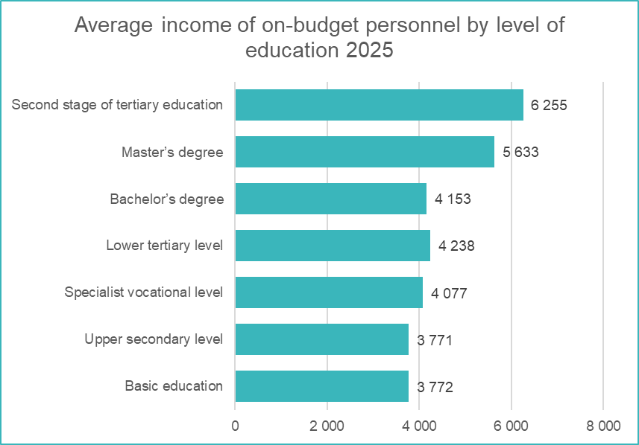
Table 3.2
Average income of on-budget personnel on regular working hours by education, employment relationship type, and gender in 2025 1 2

Training | Public-service relationship |  |  | Contractual relationship |  |  | Total
 | Men | Women | All | Men | Women | All | Men | Women | All

Basic education 3 | 3,878 | 3,617 | 3,773 | 3,756 | 3,766 | 3,660 | 3,867 | 3,623 | 3,772

Degree holders

Upper secondary level | 3,874 | 3,493 | 3,758 | 4,208 | 3,592 | 3,878 | 3,891 | 3,498 | 3,771
Specialist vocational level | 4,158 | 3,805 | 4,045 | 4,714 | 4,002 | 4,486 | 4,198 | 3,816 | 4,077
Lower tertiary level | 4,710 | 3,810 | 4,225 | 4,553 | 4,298 | 4,275 | 4,698 | 3,834 | 4,238
Bachelor’s degree | 4,432 | 3,821 | 4,124 | 4,613 | 4,163 | 4,304 | 4,452 | 3,843 | 4,153
Master’s degree | 6,068 | 5,398 | 5,700 | 5,099 | 4,836 | 4,732 | 5,980 | 5,348 | 5,633
Second stage of tertiary education | 6,896 | 6,413 | 6,636 | 5,604 | 5,516 | 5,412 | 6,435 | 6,098 | 6,255

Degree holders, total | 4,855 | 4,523 | 4,698 | 4,839 | 4,697 | 4,774 | 4,854 | 4,538 | 4,704

Unknown level of education | 3,131 | 3,202 | 3,157 | 4,265 | 3,762 | 3,897 | 3,396 | 3,359 | 3,382

All in total | 4,841 | 4,515 | 4,686 | 4,825 | 4,681 | 4,759 | 4,839 | 4,529 | 4,693
 |  |  |  |  |  |  |  |  | Palkeet/15th of June 2026
1 Does not include performance bonuses, additional work and overtime pay, and holiday bonuses
2 Full-time, full income, excluding trainees and apprenticeships
3 (Finnish) folk, middle and primary school

 |  |  | Figure 3.2

3.3
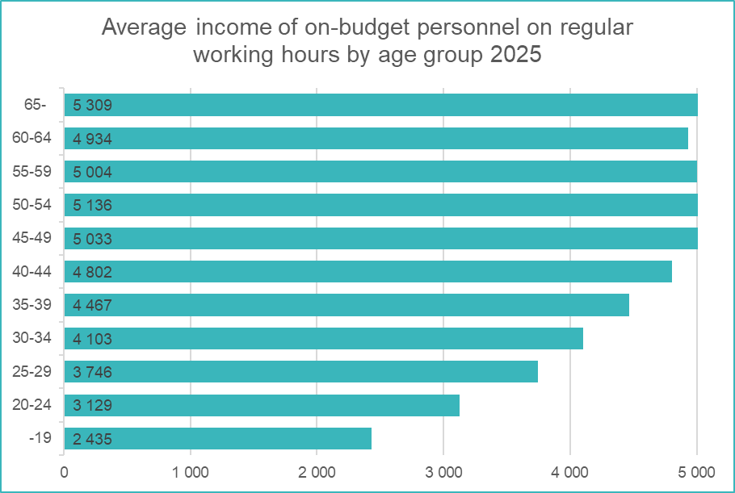
Table 3.3
Average income of on-budget personnel on regular working hours by age, employment relationship type, and gender in 2025 1 2

Age class | Public-service relationship |  |  | Contractual relationship |  |  | Total
 | Men | Women | All | Men | Women | All | Men | Women | All
 | EUR/month | EUR/month | EUR/month | EUR/month | EUR/month | EUR/month | EUR/month | EUR/month | EUR/month

-19 | 2,470 | 2,321 | 2,435 |  |  |  | 2,470 | 2,321 | 2,435
20–24 | 3,165 | 3,029 | 3,129 | 3,613 | 2,637 | 3,125 | 3,172 | 3,012 | 3,129
25–29 | 3,880 | 3,582 | 3,751 | 3,845 | 3,479 | 3,673 | 3,878 | 3,574 | 3,746
30–34 | 4,199 | 3,988 | 4,104 | 4,179 | 3,983 | 4,097 | 4,197 | 3,987 | 4,103
35–39 | 4,590 | 4,330 | 4,474 | 4,435 | 4,349 | 4,400 | 4,574 | 4,332 | 4,467
40–44 | 4,938 | 4,652 | 4,807 | 4,776 | 4,743 | 4,760 | 4,923 | 4,661 | 4,802
45–49 | 5,173 | 4,870 | 5,037 | 5,057 | 4,948 | 5,002 | 5,163 | 4,878 | 5,033
50–54 | 5,332 | 4,901 | 5,133 | 5,264 | 5,045 | 5,160 | 5,326 | 4,914 | 5,136
55–59 | 5,295 | 4,711 | 4,991 | 5,202 | 5,050 | 5,136 | 5,285 | 4,738 | 5,004
60–64 | 5,448 | 4,573 | 4,920 | 5,157 | 4,963 | 5,067 | 5,411 | 4,602 | 4,934
65- | 5,838 | 4,977 | 5,332 | 5,318 | 4,777 | 5,100 | 5,766 | 4,963 | 5,309

Total | 4,841 | 4,515 | 4,686 | 4,825 | 4,681 | 4,759 | 4,839 | 4,529 | 4,693
 |  |  |  |  |  |  |  |  | Palkeet/15th of June 2026
1 Does not include performance bonuses, additional work and overtime pay, and holiday bonuses
2 Full-time, full income, excluding trainees and apprenticeships

 |  |  |  | Figure 3.3

3.4
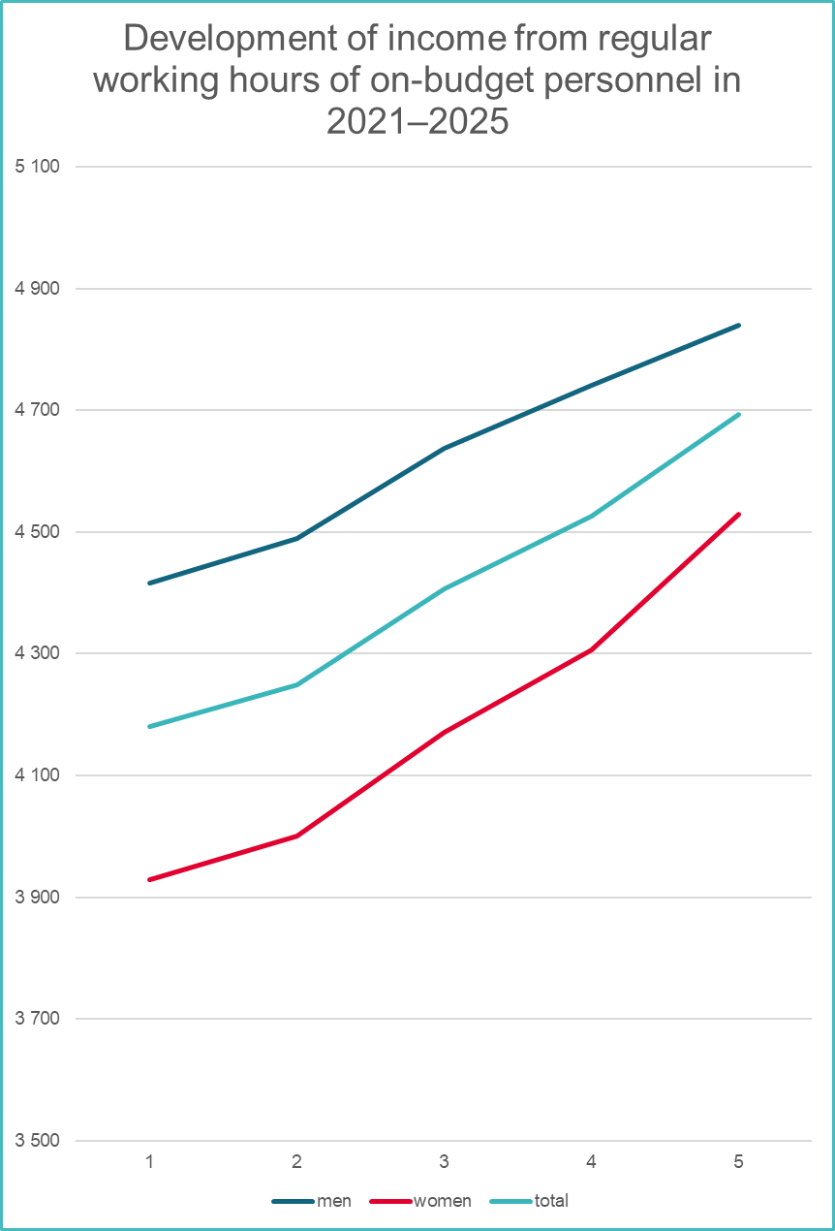
Table 3.4
Average income of on-budget personnel by income concept, employment relationship type, and gender in 2021–2025

Year | Public-service relationship |  |  | Contractual relationship |  |  | Total
Income concept | Men | Women | All | Men | Women | All | Men | Women | All
 | EUR/month | EUR/month | EUR/month | EUR/month | EUR/month | EUR/month | EUR/month | EUR/month | EUR/month
2021
Personal salary | 4,113 | 3,859 | 3,989 | 4,193 | 4,057 | 4,132 | 4,121 | 3,875 | 4,001
Income from regular working hours | 4,439 | 3,917 | 4,183 | 4,206 | 4,063 | 4,141 | 4,417 | 3,929 | 4,180
Total income including bonuses | 4,550 | 3,952 | 4,257 | 4,295 | 4,092 | 4,203 | 4,526 | 3,963 | 4,252
Income, total | 4,743 | 4,109 | 4,433 | 4,492 | 4,249 | 4,382 | 4,719 | 4,120 | 4,428
2022
Personal salary | 4,164 | 3,919 | 4,043 | 4,291 | 4,166 | 4,233 | 4,176 | 3,939 | 4,060
Income from regular working hours | 4,508 | 3,984 | 4,250 | 4,311 | 4,174 | 4,248 | 4,490 | 4,000 | 4,249
Total income including bonuses | 4,666 | 4,032 | 4,354 | 4,439 | 4,196 | 4,327 | 4,645 | 4,046 | 4,351
Income, total | 4,878 | 4,201 | 4,544 | 4,643 | 4,360 | 4,512 | 4,856 | 4,214 | 4,541
2023
Personal salary | 4,328 | 4,091 | 4,210 | 4,500 | 4,341 | 4,428 | 4,344 | 4,112 | 4,229
Income from regular working hours | 4,650 | 4,155 | 4,404 | 4,517 | 4,349 | 4,441 | 4,638 | 4,171 | 4,407
Total income including bonuses | 4,785 | 4,200 | 4,494 | 4,612 | 4,376 | 4,505 | 4,768 | 4,214 | 4,495
Income, total | 4,793 | 4,204 | 4,500 | 4,620 | 4,380 | 4,511 | 4,777 | 4,218 | 4,501
2024
Personal salary | 4,462 | 4,230 | 4,346 | 4,624 | 4,485 | 4,561 | 4,477 | 4,251 | 4,365
Income from regular working hours | 4,751 | 4,290 | 4,522 | 4,639 | 4,491 | 4,572 | 4,741 | 4,306 | 4,526
Total income including bonuses | 4,884 | 4,329 | 4,608 | 4,734 | 4,524 | 4,639 | 4,870 | 4,345 | 4,611
Income, total | 4,888 | 4,332 | 4,611 | 4,739 | 4,527 | 4,643 | 4,874 | 4,348 | 4,614
2025
Personal salary | 4,598 | 4,460 | 4,533 | 4,803 | 4,674 | 4,744 | 4,617 | 4,479 | 4,552
Income from regular working hours | 4,841 | 4,515 | 4,686 | 4,825 | 4,681 | 4,759 | 4,839 | 4,529 | 4,693
Total income including bonuses | 4,958 | 4,557 | 4,768 | 4,952 | 4,724 | 4,848 | 4,957 | 4,571 | 4,775
Income, total | 4,964 | 4,561 | 4,773 | 4,961 | 4,724 | 4,853 | 4,963 | 4,575 | 4,780
 |  |  |  |  |  |  |  |  | Palkeet/15th of June 2026
 |  | Figure 3.4

