Taul1
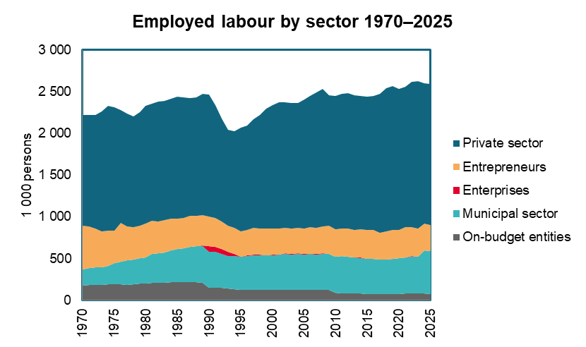
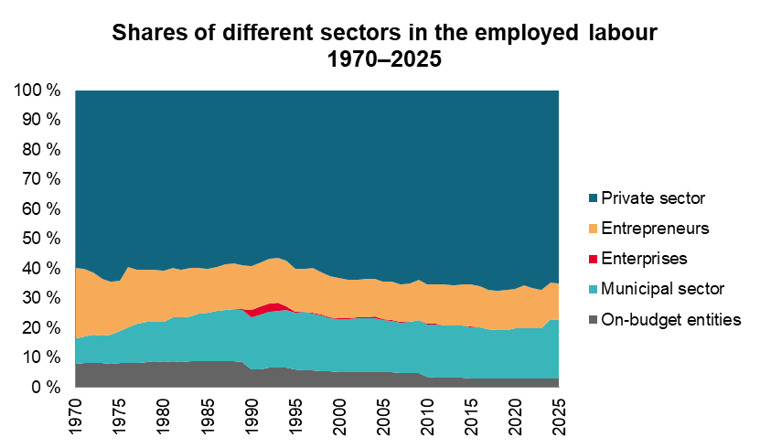
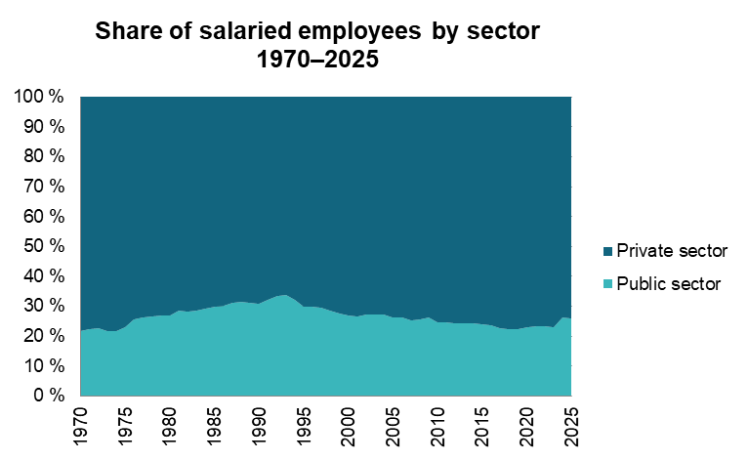
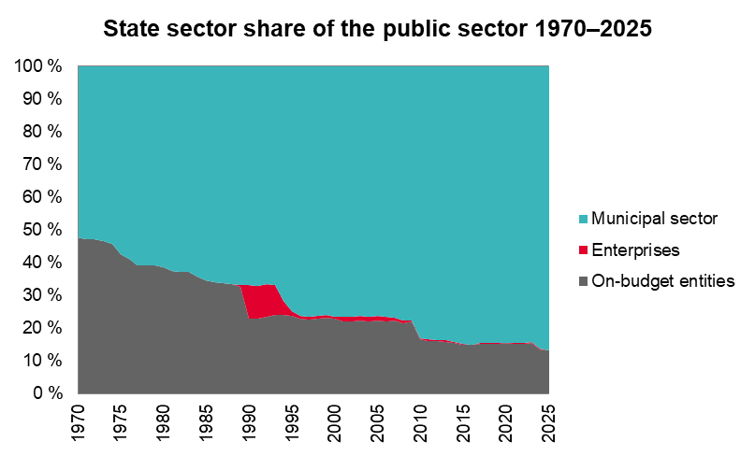
Employed labour and salaried employees in different sectors (1,000 persons) 1970–2025

Year | Employed labour 1, 4 |  | All salaried employees 1 |  | State sector |  |  |  |  |  |  |  |  | Municipal sector 2 |  | Public sector, total |  | Private sector 3
 |  |  |  |  | On-budget personnel |  |  |  |  | Enterprises 2 |  | Total
 |  |  |  |  |  |  | % of employed labour | % of salaried employees | % publ. sector
 | # | % ch. | # | % ch. | # | % ch. |  |  |  | # | % ch. | # | % ch. | # | % ch. | # | % ch. | # | % ch.
1970 | 2,217 | - | 1,696 | - | 176 | - | 7.9 | 10.4 | 47.7 |  |  | 176 | - | 193 | - | 369 | - | 1,327 | -
1971 | 2,215 | -0.1 | 1,710 | 0.8 | 181 | 2.5 | 8.1 | 10.6 | 47.2 |  |  | 181 | 2.5 | 202 | 4.7 | 383 | 3.6 | 1,327 | 0.0
1972 | 2,215 | 0.0 | 1,749 | 2.3 | 186 | 2.8 | 8.4 | 10.6 | 47.1 |  |  | 186 | 2.8 | 209 | 3.3 | 394 | 3.1 | 1,355 | 2.1
1973 | 2,265 | 2.3 | 1,832 | 4.7 | 184 | -0.8 | 8.1 | 10.0 | 46.6 |  |  | 184 | -0.8 | 211 | 0.9 | 395 | 0.1 | 1,437 | 6.1
1974 | 2,326 | 2.7 | 1,905 | 4.0 | 188 | 2.1 | 8.1 | 9.9 | 45.8 |  |  | 188 | 2.1 | 223 | 5.8 | 411 | 4.1 | 1,494 | 4.0
1975 | 2,312 | -0.6 | 1,922 | 0.9 | 188 | 0.0 | 8.1 | 9.8 | 42.5 |  |  | 188 | 0.0 | 255 | 14.3 | 443 | 7.8 | 1,479 | -1.0
1976 | 2,278 | -1.5 | 1,817 | -5.5 | 190 | 0.8 | 8.3 | 10.4 | 41.0 |  |  | 190 | 0.8 | 273 | 7.0 | 462 | 4.3 | 1,355 | -8.4
1977 | 2,232 | -2.0 | 1,823 | 0.3 | 186 | -1.7 | 8.4 | 10.2 | 39.0 |  |  | 186 | -1.7 | 291 | 6.8 | 477 | 3.3 | 1,346 | -0.7
1978 | 2,200 | -1.4 | 1,812 | -0.6 | 189 | 1.2 | 8.6 | 10.4 | 39.0 |  |  | 189 | 1.2 | 295 | 1.5 | 484 | 1.4 | 1,328 | -1.3
1979 | 2,256 | 2.5 | 1,865 | 2.9 | 197 | 4.2 | 8.7 | 10.5 | 39.2 |  |  | 197 | 4.2 | 305 | 3.3 | 502 | 3.7 | 1,363 | 2.7
1980 | 2,328 | 3.2 | 1,930 | 3.5 | 199 | 1.4 | 8.6 | 10.3 | 38.6 |  |  | 199 | 1.4 | 317 | 3.9 | 516 | 2.9 | 1,414 | 3.7
1981 | 2,353 | 1.1 | 1,962 | 1.7 | 209 | 4.6 | 8.9 | 10.6 | 37.4 |  |  | 209 | 4.6 | 348 | 9.9 | 557 | 7.9 | 1,405 | -0.6
1982 | 2,377 | 1.0 | 1,990 | 1.4 | 207 | -0.9 | 8.7 | 10.4 | 37.0 |  |  | 207 | -0.9 | 352 | 1.1 | 559 | 0.4 | 1,431 | 1.8
1983 | 2,390 | 0.5 | 2,003 | 0.7 | 213 | 2.8 | 8.9 | 10.6 | 37.1 |  |  | 213 | 2.8 | 360 | 2.3 | 573 | 2.5 | 1,430 | -0.1
1984 | 2,413 | 1.0 | 2,035 | 1.6 | 213 | 0.3 | 8.8 | 10.5 | 35.7 |  |  | 213 | 0.3 | 384 | 6.4 | 597 | 4.1 | 1,438 | 0.6
1985 | 2,437 | 1.0 | 2,077 | 2.1 | 213 | 0.0 | 8.8 | 10.3 | 34.6 |  |  | 213 | 0.0 | 404 | 5.3 | 617 | 3.4 | 1,460 | 1.5
1986 | 2,431 | -0.2 | 2,071 | -0.3 | 213 | -0.2 | 8.8 | 10.3 | 34.1 |  |  | 213 | -0.2 | 412 | 2.0 | 625 | 1.2 | 1,446 | -0.9
1987 | 2,423 | -0.3 | 2,051 | -1.0 | 214 | 0.7 | 8.8 | 10.4 | 33.7 |  |  | 214 | 0.7 | 421 | 2.3 | 636 | 1.7 | 1,415 | -2.1
1988 | 2,431 | 0.3 | 2,062 | 0.5 | 215 | 0.5 | 8.9 | 10.4 | 33.4 |  |  | 215 | 0.5 | 430 | 2.1 | 646 | 1.6 | 1,416 | 0.1
1989 | 2,470 | 1.6 | 2,104 | 2.0 | 212 | -1.7 | 8.6 | 10.1 | 32.5 | 3 |  | 215 | -0.1 | 437 | 1.6 | 652 | 1.0 | 1,452 | 2.5
1990 | 2,467 | -0.1 | 2,108 | 0.2 | 147 | -30.6 | 6.0 | 7.0 | 22.7 | 67 | 1847.8 | 213 | -0.7 | 434 | -0.8 | 647 | -0.8 | 1,461 | 0.6
1991 | 2,340 | -5.1 | 2,000 | -5.1 | 146 | -0.7 | 6.2 | 7.3 | 22.7 | 65 | -2.3 | 211 | -1.2 | 432 | -0.4 | 642 | -0.7 | 1,358 | -7.1
1992 | 2,174 | -7.1 | 1,849 | -7.6 | 145 | -0.5 | 6.7 | 7.8 | 23.5 | 60 | -7.2 | 205 | -2.6 | 412 | -4.6 | 617 | -4.0 | 1,232 | -9.2
1993 | 2,041 | -6.1 | 1,729 | -6.5 | 140 | -3.6 | 6.9 | 8.1 | 24.0 | 53 | -11.7 | 193 | -6.0 | 389 | -5.5 | 582 | -5.7 | 1,147 | -6.9
1994 | 2,024 | -0.8 | 1,712 | -1.0 | 133 | -5.0 | 6.6 | 7.8 | 24.1 | 23 | -56.3 | 156 | -19.1 | 395 | 1.6 | 551 | -5.3 | 1,161 | 1.2
1995 | 2,068 | 2.2 | 1,764 | 3.0 | 125 | -6.2 | 6.0 | 7.1 | 23.8 | 6 | -72.3 | 131 | -16.1 | 394 | -0.3 | 525 | -4.8 | 1,239 | 6.8
1996 | 2,096 | 1.4 | 1,794 | 1.7 | 122 | -1.9 | 5.8 | 6.8 | 22.8 | 5 | -26.2 | 127 | -3.1 | 409 | 3.9 | 536 | 2.2 | 1,258 | 1.5
1997 | 2,170 | 3.5 | 1,845 | 2.8 | 123 | 0.7 | 5.7 | 6.7 | 22.6 | 5 | 0.7 | 128 | 0.7 | 418 | 2.2 | 546 | 1.8 | 1,299 | 3.3
1998 | 2,222 | 2.4 | 1,905 | 3.3 | 125 | 1.4 | 5.6 | 6.6 | 22.9 | 4 | -6.3 | 129 | 1.1 | 416 | -0.5 | 545 | -0.1 | 1,360 | 4.7
1999 | 2,296 | 3.3 | 1,975 | 3.7 | 125 | 0.4 | 5.5 | 6.4 | 23.2 | 5 | 3.0 | 130 | 0.5 | 411 | -1.2 | 541 | -0.8 | 1,434 | 5.5
2000 | 2,335 | 1.7 | 2,016 | 2.1 | 124 | -1.4 | 5.3 | 6.1 | 22.7 | 4 | -10.3 | 128 | -1.7 | 416 | 1.2 | 544 | 0.5 | 1,472 | 2.7
2001 | 2,367 | 1.4 | 2,060 | 2.2 | 121 | -2.6 | 5.1 | 5.9 | 21.9 | 8 | 94.3 | 129 | 0.6 | 422 | 1.4 | 551 | 1.2 | 1,509 | 2.5
2002 | 2,372 | 0.2 | 2,068 | 0.4 | 123 | 2.3 | 5.2 | 6.0 | 22.0 | 8 | -5.1 | 131 | 1.8 | 429 | 1.7 | 560 | 1.7 | 1,508 | -0.1
2003 | 2,365 | -0.3 | 2,061 | -0.3 | 124 | 0.8 | 5.3 | 6.0 | 22.3 | 8 | -1.6 | 132 | 0.6 | 426 | -0.7 | 558 | -0.4 | 1,503 | -0.3
2004 | 2,365 | 0.0 | 2,064 | 0.1 | 124 | -0.2 | 5.2 | 6.0 | 22.0 | 8 | 9.7 | 132 | 0.3 | 431 | 1.2 | 563 | 1.0 | 1,501 | -0.2
2005 | 2,401 | 1.5 | 2,098 | 1.6 | 124 | -0.1 | 5.2 | 5.9 | 22.4 | 7 | -11.0 | 131 | -0.8 | 422 | -2.1 | 553 | -1.8 | 1,545 | 2.9
2006 | 2,443 | 1.7 | 2,129 | 1.5 | 123 | -0.5 | 5.0 | 5.8 | 22.1 | 7 | -2.7 | 130 | -0.6 | 428 | 1.4 | 558 | 0.9 | 1,571 | 1.7
2007 | 2,492 | 2.0 | 2,178 | 2.3 | 122 | -0.8 | 4.9 | 5.6 | 22.2 | 5 | -34.2 | 127 | -2.6 | 424 | -0.9 | 551 | -1.3 | 1,627 | 3.6
2008 | 2,531 | 1.6 | 2,207 | 1.3 | 121 | -1.0 | 4.8 | 5.5 | 21.5 | 5 | 2.6 | 126 | -0.9 | 437 | 3.1 | 563 | 2.2 | 1,644 | 1.1
2009 | 2,457 | -2.9 | 2,123 | -3.8 | 122 | 0.8 | 5.0 | 5.7 | 21.9 | 2 | -50.7 | 124 | -1.2 | 433 | -0.9 | 557 | -1.0 | 1,566 | -4.8
2010 | 2,447 | -0.4 | 2,120 | -0.1 | 86 | -29.1 | 3.5 | 4.1 | 16.5 | 2 | 0.3 | 89 | -28.6 | 434 | 0.2 | 523 | -6.2 | 1,597 | 2.0
2011 | 2,474 | 1.1 | 2,143 | 1.1 | 85 | -1.5 | 3.4 | 4.0 | 16.1 | 2 | -18.5 | 87 | -2.0 | 441 | 1.6 | 528 | 1.0 | 1,615 | 1.1
2012 | 2,483 | 0.4 | 2,146 | 0.1 | 83 | -2.7 | 3.3 | 3.9 | 15.9 | 2 | 0.7 | 85 | -2.6 | 437 | -0.9 | 522 | -1.2 | 1,624 | 0.6
2013 | 2,457 | -1.0 | 2,127 | -0.9 | 81 | -1.9 | 3.3 | 3.8 | 15.8 | 2 | -0.6 | 83 | -1.9 | 432 | -1.1 | 515 | -1.3 | 1,612 | -0.8
2014 | 2,447 | -0.4 | 2,105 | -1.0 | 79 | -3.0 | 3.2 | 3.7 | 15.5 | 2 | -1.4 | 81 | -3.0 | 429 | -0.7 | 510 | -1.1 | 1,595 | -1.0
2015 | 2,437 | -0.4 | 2,090 | -0.7 | 74 | -6.5 | 3.0 | 3.5 | 14.8 | 2 | -5.7 | 75 | -6.4 | 422 | -1.6 | 497 | -2.4 | 1,593 | -0.2
2016 | 2,448 | 0.5 | 2,105 | 0.7 | 72.984 | -0.9 | 3.0 | 3.5 | 14.7 | 1 | -41.7 | 74 | -1.9 | 421 | -0.2 | 495 | -0.5 | 1,610 | 1.1
2017 | 2,473 | 1.0 | 2,147 | 2.0 | 73 | 0.3 | 3.0 | 3.4 | 15.1 | 1 | -5.2 | 74 | 0.2 | 410 | -2.6 | 484 | -2.2 | 1,663 | 3.3
2018 | 2,540 | 2.7 | 2,204 | 2.7 | 74 | 1.6 | 2.9 | 3.4 | 15.2 | 1 | 0.1 | 75 | 1.5 | 413 | 0.7 | 488 | 0.9 | 1,716 | 3.2
2019 | 2,566 | 1.0 | 2,220 | 0.7 | 75 | 1.4 | 2.9 | 3.4 | 15.1 | 1 | 7.4 | 76 | 1.5 | 422 | 2.2 | 498 | 2.1 | 1,722 | 0.3
2020 | 2,528 | -1.5 | 2,189 | -1.4 | 77 | 2.4 | 3.1 | 3.5 | 15.3 | 1 | 8.5 | 78 | 2.5 | 425 | 0.7 | 503 | 1.0 | 1,686 | -2.1
2021 | 2,555 | 1.1 | 2,193 | 0.2 | 78 | 1.4 | 3.1 | 3.6 | 15.2 | 1 | 15.2 | 80 | 1.6 | 434 | 2.1 | 514 | 2.0 | 1,679 | -0.4
2022 | 2,619 | 2.5 | 2,265 | 3.3 | 80 | 2.2 | 3.1 | 3.5 | 15.2 | 1 | -2.7 | 81 | 2.2 | 444 | 2.3 | 525 | 2.3 | 1,740 | 3.6
2023 | 2,628 | 0.3 | 2,292 | 1.2 | 82 | 2.1 | 3.1 | 3.6 | 15.6 | 1 | -1.1 | 83 | 2.1 | 442 | -0.5 | 525 | -0.1 | 1,767 | 1.6
2024 | 2,603 | -1.0 | 2,285 | -0.3 | 81 | -0.8 | 3.1 | 3.5 | 13.5 | 1 | -7.4 | 82 | -0.9 | 518 | 17.2 | 600 | 14.3 | 1,685 | -4.7
2025 | 2,590 | -0.5 | 2,276 | -0.4 | 77 | -5.3 | 3.0 | 3.4 | 13.0 | 1 | 1.1 | 78 | -5.2 | 512 | -1.2 | 590 | -1.7 | 1,686 | 0.1
Average annual change, %
1970 - 2025 |  | 0.3 |  | 0.5 |  | -1.5 |  |  |  |  |  |  | -1.5 |  | 1.8 |  | 0.9 |  | 0.4
1980 - 2025 |  | 0.2 |  | 0.4 |  | -2.1 |  |  |  |  |  |  | -2.1 |  | 1.1 |  | 0.3 |  | 0.4
1990 - 2025 |  | 0.1 |  | 0.2 |  | -1.8 |  |  |  |  | -10.8 |  | -2.8 |  | 0.5 |  | -0.3 |  | 0.4
2000 - 2025 |  | 0.4 |  | 0.5 |  | -1.9 |  |  |  |  | -4.8 |  | -2.0 |  | 0.8 |  | 0.3 |  | 0.5
2010 - 2025 |  | 0.4 |  | 0.5 |  | -0.8 |  |  |  |  | -4.4 |  | -0.9 |  | 1.1 |  | 0.8 |  | 0.4
2020 - 2025 |  | 0.5 |  | 0.8 |  | -0.1 |  |  |  |  | 0.8 |  | -0.1 |  | 3.8 |  | 3.2 |  | 0.0
 |  |  |  |  |  |  |  |  |  |  |  |  |  |  |  |  |  |  | Palkeet/10th of June 2026
1 Source: Statistics Finland Labour Force Survey (quantity data annual average) 2 In the national accounts, new-form state enterprise personnel and municipal enterprise personnel included in the municipal sector are included almost entirely in the private domestic sector 3 Calculated as the difference between the number of salaried and public-sector employees 4 In 2025, the share of entrepreneurs in the number of employed labour was approximately 314,000

