Tabel
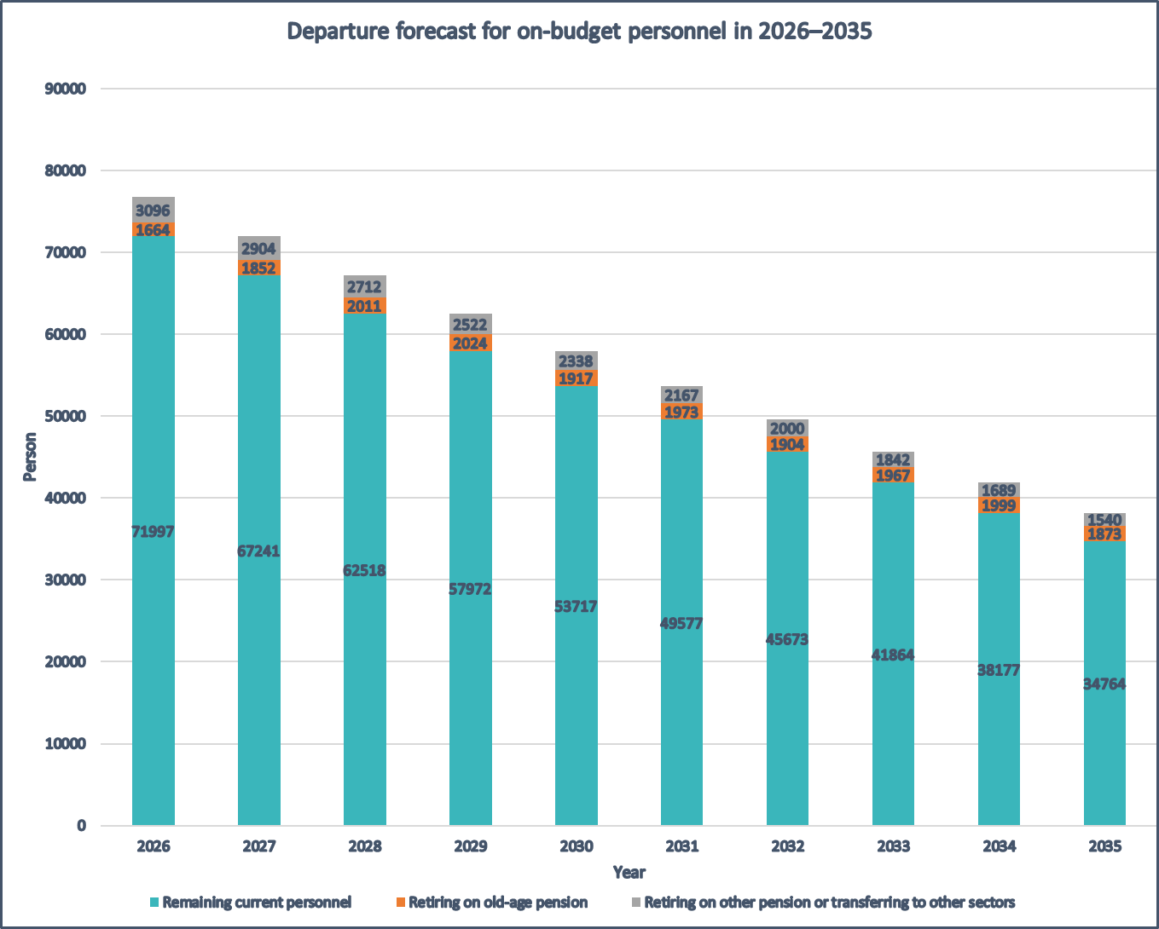
Projection of retirements and other departures in 2026–2035 of personnel employed by on-budget agencies and institutions in December 2025

Year | Personnel remaining in December 2025 |  | Retiring on old-age pension |  |  | Retiring on other pension |  |  | Transferring to other sectors |  |  | Total departures
 | # | % | # | % | Cumul. % | # | % | Cumul. % | # | % | Cumul. % | # | % | Cumul. %
2025 | 76757 | 100.0
2026 | 71997 | 93.8 | 1664 | 2.2 | 2.2 | 112 | 0.1 | 0.1 | 2984 | 3.9 | 3.9 | 4760 | 6.2 | 6.2
2027 | 67241 | 87.6 | 1852 | 2.4 | 4.6 | 105 | 0.1 | 0.3 | 2799 | 3.6 | 7.5 | 4756 | 6.2 | 12.4
2028 | 62518 | 81.4 | 2011 | 2.6 | 7.2 | 98 | 0.1 | 0.4 | 2614 | 3.4 | 10.9 | 4723 | 6.2 | 18.6
2029 | 57972 | 75.5 | 2024 | 2.6 | 9.8 | 91 | 0.1 | 0.5 | 2430 | 3.2 | 14.1 | 4546 | 5.9 | 24.5
2030 | 53717 | 70.0 | 1917 | 2.5 | 12.3 | 85 | 0.1 | 0.6 | 2254 | 2.9 | 17.0 | 4255 | 5.5 | 30.0
2031 | 49577 | 64.6 | 1973 | 2.6 | 14.9 | 78 | 0.1 | 0.7 | 2088 | 2.7 | 19.8 | 4140 | 5.4 | 35.4
2032 | 45673 | 59.5 | 1904 | 2.5 | 17.4 | 72 | 0.1 | 0.8 | 1927 | 2.5 | 22.3 | 3904 | 5.1 | 40.5
2033 | 41864 | 54.5 | 1967 | 2.6 | 19.9 | 67 | 0.1 | 0.9 | 1776 | 2.3 | 24.6 | 3809 | 5.0 | 45.5
2034 | 38177 | 49.7 | 1999 | 2.6 | 22.6 | 61 | 0.1 | 1.0 | 1628 | 2.1 | 26.7 | 3688 | 4.8 | 50.3
2035 | 34764 | 45.3 | 1873 | 2.4 | 25.0 | 56 | 0.1 | 1.1 | 1484 | 1.9 | 28.6 | 3413 | 4.4 | 54.7
 |  |  |  |  |  |  |  |  |  |  |  |  |  | Palkeet/26th of February 2026

